Overall Steps
Step | Pre-Work | Comments / Questions | Owner
1 | Check which scenarios & cubes have data for these accounts in OS PROD | Actuals under Ally_Consol and Ally_Total; to also re-load Ally_Expense | Katherine / Kristine
2 | Extract backup of journals for ALL periods | Extracted; Kristine to re-extract right before making updates | Kristine
3 | Complete backup of PROD application | PROD copy in progress | Kevin / Arindam / Katherine
4 | Obtain sign-off on group account list controlling if GL account is added to Detail or Planning | Group acct. list confirmed w/ Jeff | Katherine / Jeff
5 | Update account hierarchy table from step #5 in PROD | Table has been updated in PROD with new group acct. list | Katherine / Ethan

Step | Move Detail Accounts to Planning Accounts in PROD | Comments / Questions | Owner
1 | Create new parent account in DetailedActAccounts called To_Be_Deleted_GLAccts | To_Be_Deleted member already existing so changing the name | Kristine
2 | Remove relationship of 166 accounts to their current parent and move under To_Be_Deleted_GLAccts | To_Be_Deleted member already existing so changing the name | Kristine
3 | Rename 166 accounts by suffixing _old | E.g. 189030003 would be renamed as 189030003_old | Kristine
4 | Create 166 accounts as new members in PlanningAccounts structure | Using XML for metadata creation | Kristine
5 | Verify the updated account structure | Using AccountStructure_Check cube view in Consol cube view group | Kristine
6 | Verify the account properties | Using GridView in Dimension to check properties settings between the old and newly created members | Kristine
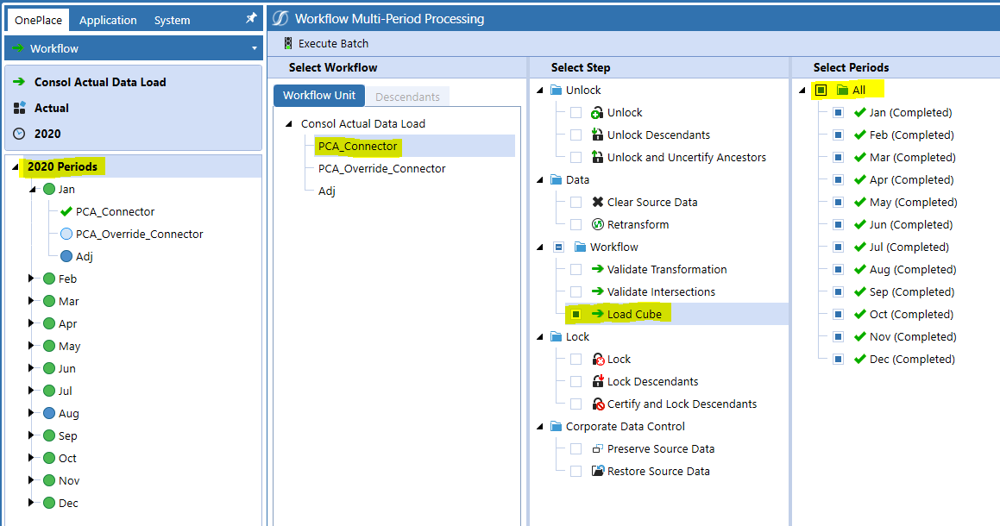
7 | Unlock the Consol Actual Data Load Workflows (where applicable) |  | Kristine
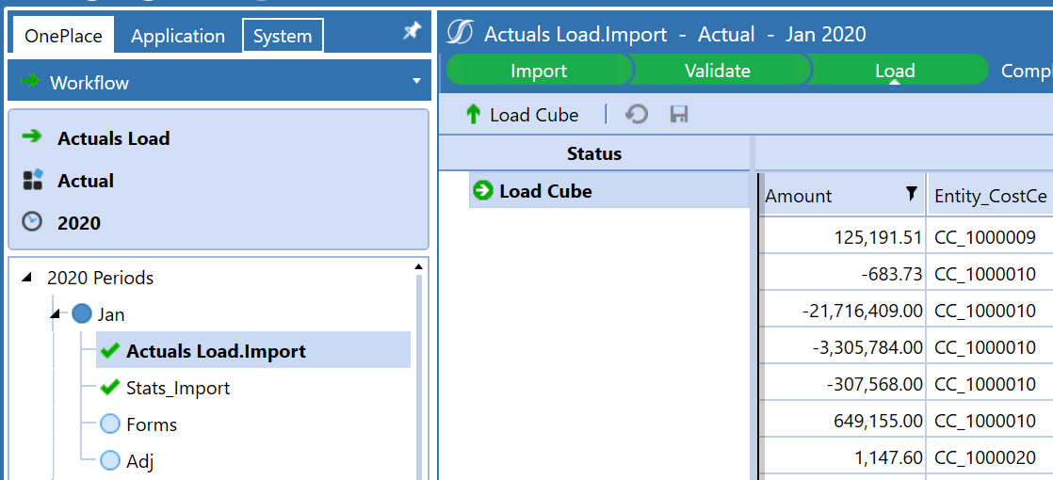
8 | Reload the Actuals Data for 2019M12 - 2022M5* | Dec. 2019 for consol ONLY; start at 2020 for Expense | Kristine
 | Ally Consol (Manual) - Consol Actual Data Load |  | Kristine
 | Set integration parameter boolean to manual
 | For PCA Connector, re-load the cube for each month. Can execute a bulk Workflow batch to "Load Cube" for all months in one year (see screenshot) | Do NOT retransform / revalidate as no change to the underlying data (very important for Dec. 2019)
 | For PCA_Override_Connector, select the workflow step under each month and execute the "Load and Transform" step under Import. You will have to do this step from the Workflow by month but you can then complete the remaining Validate & Process steps using "Execute Batch" | PCA_Override_Connector data was cleared when we made update to process cube so can't just re-import.
 | Ally Expense (Manual) - Actuals Load | *Dec. 2019 for consol ONLY; start at 2020 for Expense | Kristine
 | Set integration parameter boolean to manual
 | Navigate to Ally_Expense --> Ally_Expenses_ACT Cube Root --> Actuals Load Workflow Profile Load. For Actuals load, re-load the cube for each month. Can execute a bulk worfklow batch to "Load Cube" for all months in one year. | Do NOT retransform / revalidate as no change to the underlying data (see screenshot to left)
9 | Delete all journal entries containing one of the 19 GL accounts to be moved with adjustments data. Navigate to Consol Actual Data Load Workflow --> Adj --> Unpost, Reject, & Delete. | Full JE inventory in Account Hierarchy Analysis sheet | Kristine
10 | Repost journals containing one of the 19 GL accounts with adjustments data |  | Kristine
 | From the journals extract backup, create a clean journal file containing only the journals that uses the 19 GL accounts. | Files should be saved as .csv; Kristine has already created
 | Upload the created file in File Share under this path Applications > OneStreamProduction > Groups > Everyone > Journal_Posting
 | Navigate to Ally Journal Export dashboard in OnePlace and click on Import button
11 | Run Consolidation (Admin Tasks --> Consolidation) | For Consol Cube Re-Load | Kristine
 | Force Consolidate
 | Cube: Ally_Consol
 | Parent Filter: N/A; leave blank
 | Entity Filter: E#CO_20, E#CO_70
 | Consolidation Filter: C#USD
 | Scenario Filter: S#Actual
 | Time Filter: T#2019M12, T#2020M12, T#2021M12, T#2022M5
12 | Run Aggregation (Admin Tasks --> Ally_Expenses_Consol_Actual) | For Expense Cube Re-Load | Kristine
 | Consolidate
 | Cube: Ally_Expenses
 | Parent Filter: N/A; leave blank
 | Entity Filter: E#[Total CostCenters], E#CC_GF000001, E#CC_Core_BU
 | Consolidation Filter: C#Aggregated
 | Scenario Filter: S#Actual
 | Time Filter: T#2020, T#2021, T#2022 | 2019 only used for Consol
13 | Verify the numbers |  | Kristine / Katherine
 | Refresh data validation templates for 1 -2 months to ensure no variances / immaterial variances in consol actuals. | Prior to loading to Total Ally, Kristine to refresh 1-2 months of DV templates to confirm data refreshed to actuals as expected (e.g. Jan. 2020, May 2022). In later step, Ally to refresh templates (at least one per year) for further validation. | Kristine
 | Located in Consolidations Data Validation --> Validation Templates --> Associated time period. Download copy of each of the 4 templates and refresh (Legal Pre-Elim nonUSD, Legal Pre-Elim USD, Legal Post-Elim, Mgmt Post-Elim)
14 | Run Consol Actuals to Total Ally Planning integration for 2020M1 - 2022M5 & consolidate | *Dec. 2019 for consol ONLY; start at 2020 for Ally Total | Kristine
 | Set integration parameter boolean to manual
 | Navigate to Ally_Total_ACT --> Ally_Total_Actual_Load Workflow Profile Load. Re-load the cube for each month for all the workflows except for Stat_Import. Can execute a bulk worfklow batch to "Load Cube" for all months in one year. | Do NOT retransform / revalidate as no change to the underlying data. Re-load Total_CCA, Total_PCA, Import_Consol_Topside, Import_Consol_Elims, Import_Consol_RE.
 | Run the data management step Consolidation_AllyConsol
 | Force Consolidate
 | Cube: Ally_Total
 | Parent Filter: N/A; leave blank
 | Entity Filter: E#PC_Total_Ally
 | Consolidation Filter: C#Aggregated
 | Scenario Filter: S#Actual
 | Time Filter: T#2020, T#2021, T#2022
15 | Verify the numbers |  | Katherine / Jeremy
 | Refresh data validation templates for Dec. 2019, Dec. 2020, Dec. 2021, & Apr. 2022 to ensure no variances / immaterial variances. |  | Jeremy
 | Review the Pre-Close & Post-Close Consolidation Cube Views |  | Katherine
 | Refresh Consol to Total Ally Excel comparison as check for Total Ally |  | Katherine
16 | Run scripts to feed Actuals to Forecast scenarios using Seeding rule for Expense and Actual | Forecast data may need to be cleared first | Nidhi
 | Ally_Expense_Seed_Act2Forecast
 | Ally_Total_SeedAct2Forecast
17 | Aggregate 4_32 for 20221 - M4 in Ally Total & Ally Expense |  | Nidhi

